Lab 1 Balance
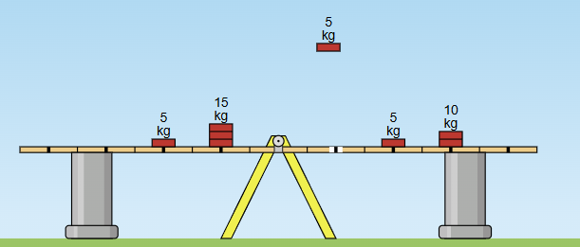
DL | ML | TL |  | DR | MR | TR
2 | 15 |  | #N/A | 4 | 5 |  | #N/A
4 | 5 |  | #N/A | 6 | 10 |  | #N/A
0 | 5 |  | #N/A | 0 | 0 |  | #N/A
 |  |  | #N/A |  |  |  | #N/A
 |  |  |  |  |  | 2

Lab 2 ( 0 Angle)
t $=\sqrt{Sy/(0.5 ∗ Ay)}$
 |  |  |  |  |  |  | 0.234
 | Sy | Uy | Vy | Ay | t
 | 1.5 | 0 |  | 9.8 |  | #N/A
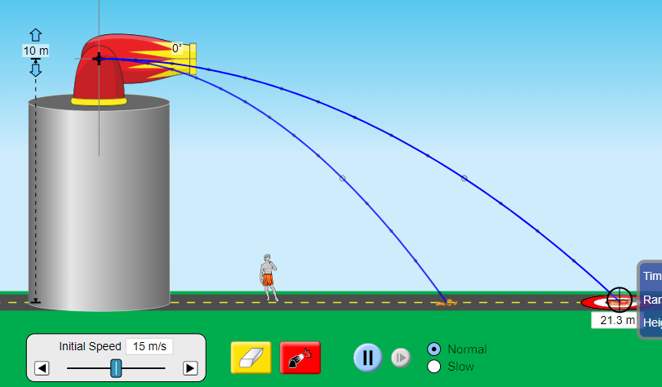
 | 10 | 0 |  | 9.8

 | Sx = Ux * t |  |  |  |  |  |  | 0
 | Sx | Ux | Vx | Ax | t
=C10*F10 | 0.00 | 2 |  | 0 |  | #N/A
 | 0.00 | 15 |  | 0

Sheet9
t $=\sqrt{Sy/(0.5 ∗ Ay)}$
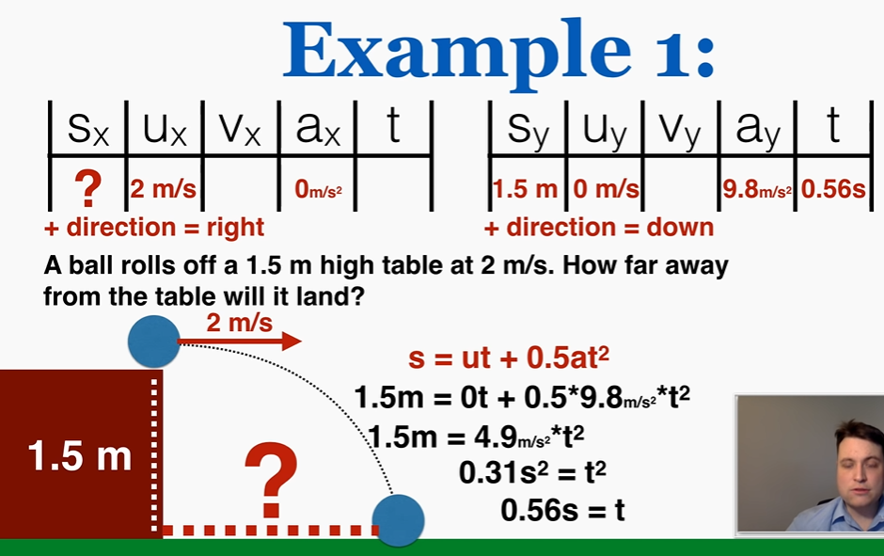
Sy | Uy | Vy | Ay | t | 2
1.5 | 0 |  | 9.8

Sx = Ux * t |  |  |  |  |  | 0
Sx | Ux | Vx | Ax | t
 | 2 |  | 0

